Penetration_bugs
Bug ID | Test Case | Risk | Impact | Affected Domain | Ease of Exploitation | Status | Attached Images | Comments
1 | Insecure Direct Object References | High | Any user can access to the other user's data or normal user getting access of tabs and functionalities provided to Admin user then all the confidential data will be disclosed. He can perform malicious activities like changing the user’s data, approving or rejecting the user’s registration request, changing the project related data etc. | http://mosaicthings.lntinfotech.com/analytics | Easy | Resolved |  | Now Anyone cannot see the analytics page without login or without having admin credentials.
2 | Weak Password Policy with Rate Limiting Missing | Medium | This vulnerability presents a medium risk to the business since client-side validation is there, but it doesn’t enforce a strong password policy and sets easily guessable passwords with no account lockout implemented after many wrong login attempts. Since an attacker can take several false login attempts to guess the password, an attacker can launch an automated Brute Force attack on the login page to crack usernames and password of the users and gain unauthorized access to the application. | http://mosaicthings.lntinfotech.com/signin | Moderate | Resolved |  | Our Password Policy includes "Password must contain at least 6 characters, including UPPER/lowercase,numbers and special char(like @)"
3 | Unrestricted File Upload | Medium | The consequences of unrestricted file upload can vary, including complete system takeover, an overloaded file system, forwarding attacks to backend systems, and simple defacement. It depends on what the application does with the uploaded file, including where it is stored. | http://mosaicthings.lntinfotech.com/partner | Moderate | Resolved |  | Nobody can upload any .exe files or in respective fields only field file will be uploaded.
4 | Application is vulnerable to Clickjacking Attack | Medium | An attacker can trick the victim into malicious actions using frames. An attacker may try to make the trusted window transparent. The attacker will then overlay the trusted window on top of something that the user wants to click on. This causes the end-user to believe that they are clicking on the content that is positioned below the trusted window. Clickjacking enables an attacker to spoof contents, steal cookies and data modification | http://mosaicthings.lntinfotech.com/ | Moderate | Resolved |  | This is done
5 | HTTPS Not Enforced | Low | An attacker can use network sniffer tools to perform Man in the Middle Attack in order to capture HTTP requests/responses, which contains the cookie in clear text format of a logged in user. If an attacker performs a man in the middle attack, sensitive information can be stolen or modified during the communication without the end user’s knowledge which may lead to identity theft or fraud. | http://mosaicthings.lntinfotech.com | Difficult | Resolved |  | This is done
6 | Concurrent Session Allowed | Low | If a user appears to be using two different sessions simultaneously, this usually indicates that a security compromise has occurred: either the user has disclosed their credentials to another party, or an attacker has obtained their credentials through some other means. In both cases, permitting concurrent sessions is undesirable because it allows users to persist in undesirable practices without inconvenience and if an attacker somehow steals a user's credentials and the user is already logged in, the attacker immediately tries to log in with the stolen credentials without risk of detection. | http://mosaicthings.lntinfotech.com | Difficult | Active |  | This is done
7 | Cookie Attributes are Not Set | Low | The attacker can send a valid link with an http instead of https to the victim, since the Secure attribute is not set, the cookie gets transmitted in clear text when the victim clicks the link. This request can be captured by the attacker using various sniffing tools. Since HttpOnly attribute is not set the cookie can be accessed through client-side script | http://mosaicthings.lntinfotech.com | Difficult | Resolved |  | This is done
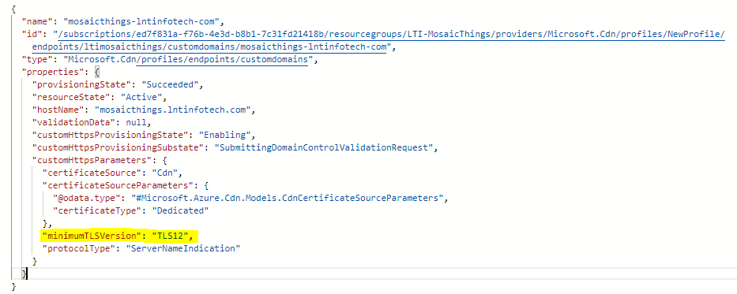
8 | TLS version 1.0 Enabled | Low | An attacker may be able to exploit these issues to conduct man-in-the-middle attacks or decrypt communications between the affected service and clients. | http://mosaicthings.lntinfotech.com | Difficult | Resolved |  | In our azure server we are using TLS 1.2. Refer the screenshot please.
9 | Cleartext Credentials in Browser Memory | Low | If an attacker gets the login credentials, then he/she can easily login into victim's account as an authenticated and legitimate user and can perform malicious actions and modifications in the victim's profile. | http://mosaicthings.lntinfotech.com | Difficult | Resolved |  | This is done
10 | No Session Timeout | Low | A malicious user who has physical access to the system could gain access to an already active session and perform actions as a legitimate user. | http://mosaicthings.lntinfotech.com | Difficult | Resolved |  | Our session time out policy includes 24 hours kindly test accordingly.
11 | Information Disclosure through Default Banner | Low | Default banner leaks vital information such as version information, which may help an attacker to launch specific exploits for the vulnerability associate with the application version. | https://ltimosicthigs.azurewebsites.net | Difficult | Resolved |  | This is done.
12 | No Input Validation | Low | If the application does not escape special characters in the input and reflects user input as it is back to the browser, an attacker may be able to launch Cross-Site Scripting (XSS) and SQL injection attacks successfully. | http://mosaicthings.lntinfotech.com/icm | Difficult | Resolved |  | This is done.

